philosophers Sheet4
- v - t - e Platonists
Ancient | [TABLE]
Medieval | - John Scotus Eriugena - Al-Farabi - Anselm - Peter Abelard - Bernard - Gilbert - Thierry - Henry of Ghent - Bonaventure - Theodoric of Freiberg - Meister Eckhart - Berthold of Moosburg - Paul of Venice
Modern | [TABLE] - Thomas Taylor - Emanuel Swedenborg - Josiah Royce - Aleksei Losev
Contemporary | [TABLE]

Academics | [TABLE]
Middle Platonists | - Antiochus - Eudorus of Alexandria - Anonymous Theaetetus Commentator - Philo of Alexandria - Plutarch - Justin Martyr - Gaius - Albinus - Alcinous - Alexander Peloplaton - Apuleius - Atticus - Maximus of Tyre - Numenius of Apamea - Ammonius Saccas - Longinus - Clement of Alexandria - Origen - Origen the Pagan - Calcidius
Neoplatonists | - Plotinus - Students - Amelius - Porphyry of Tyre - Iamblichus - Sopater - Eustathius of Cappadocia - Sosipatra - Aedesius - Dexippus - Chrysanthius - Theodorus of Asine - Julian - Salutius - Maximus of Ephesus - Eusebius of Myndus - Priscus of Epirus - Antoninus - Hypatia - Gaius Marius Victorinus - Augustine - Macrobius - Boethius [TABLE]

Old | - Plato - Aristotle - Eudoxus - Philip of Opus - Aristonymus - Coriscus and Erastus of Scepsis - Demetrius of Amphipolis - Euaeon of Lampsacus - Heraclides and Python of Aenus - Hestiaeus of Perinthus - Lastheneia of Mantinea - Timolaus of Cyzicus - Speusippus - Axiothea of Phlius - Heraclides Ponticus - Menedemus of Pyrrha - Xenocrates - Crantor - Polemon - Crates of Athens
Skeptics | [TABLE]

Middle | - Arcesilaus - Diocles of Cnidus - Lacydes - Telecles and Evander - Hegesinus
New | - Carneades - Hagnon of Tarsus - Metrodorus of Stratonicea - Clitomachus - Charmadas - Aeschines of Neapolis - Philo of Larissa - Cicero - Dio of Alexandria

Academy | - Plutarch of Athens - Asclepigenia - Hierocles - Syrianus - Hermias - Aedesia - Proclus - Marinus - Isidore - Ammonius Hermiae - Asclepiodotus - Hegias - Zenodotus - Agapius - Damascius - Simplicius - Priscian - John Philoponus - Olympiodorus - David the Invincible - Pseudo-Dionysius the Areopagite

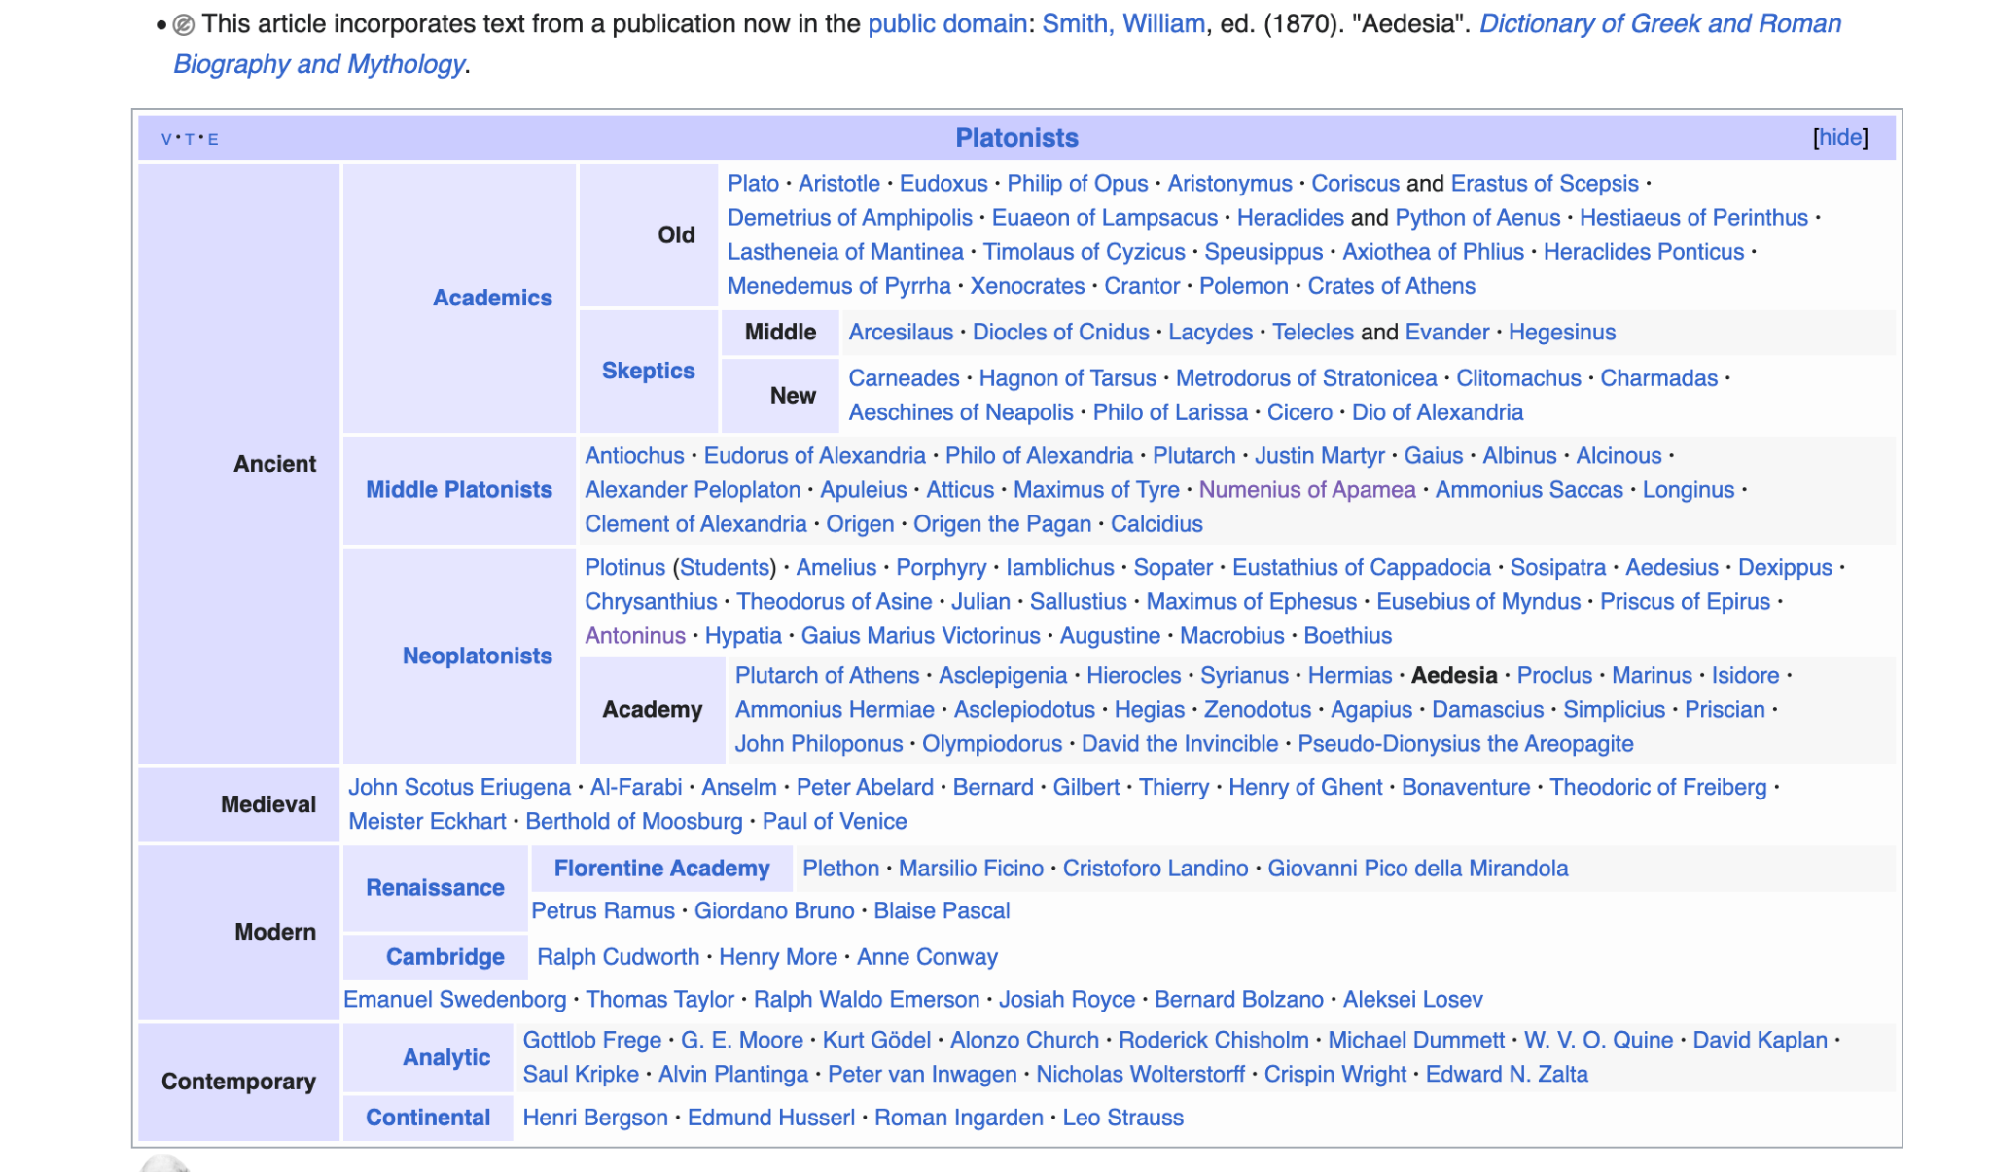
Renaissance | [TABLE] - Giordano Bruno - Blaise Pascal
Cambridge | - Ralph Cudworth - Henry More - Anne Conway

Florentine Academy | - Plethon - Marsilio Ficino - Cristoforo Landino - Giovanni Pico della Mirandola

Analytic | - Gottlob Frege - Bertrand Russell - Kurt Gödel - Roderick Chisholm - W. V. O. Quine - Jan Łukasiewicz - Crispin Wright - Edward N. Zalta - Penelope Maddy
Continental | - Edmund Husserl - Leo Strauss - Julius Evola

 | This biography of a philosopher from ancient Greece is a stub. You can help Wikipedia by adding missing information.

